PPGI
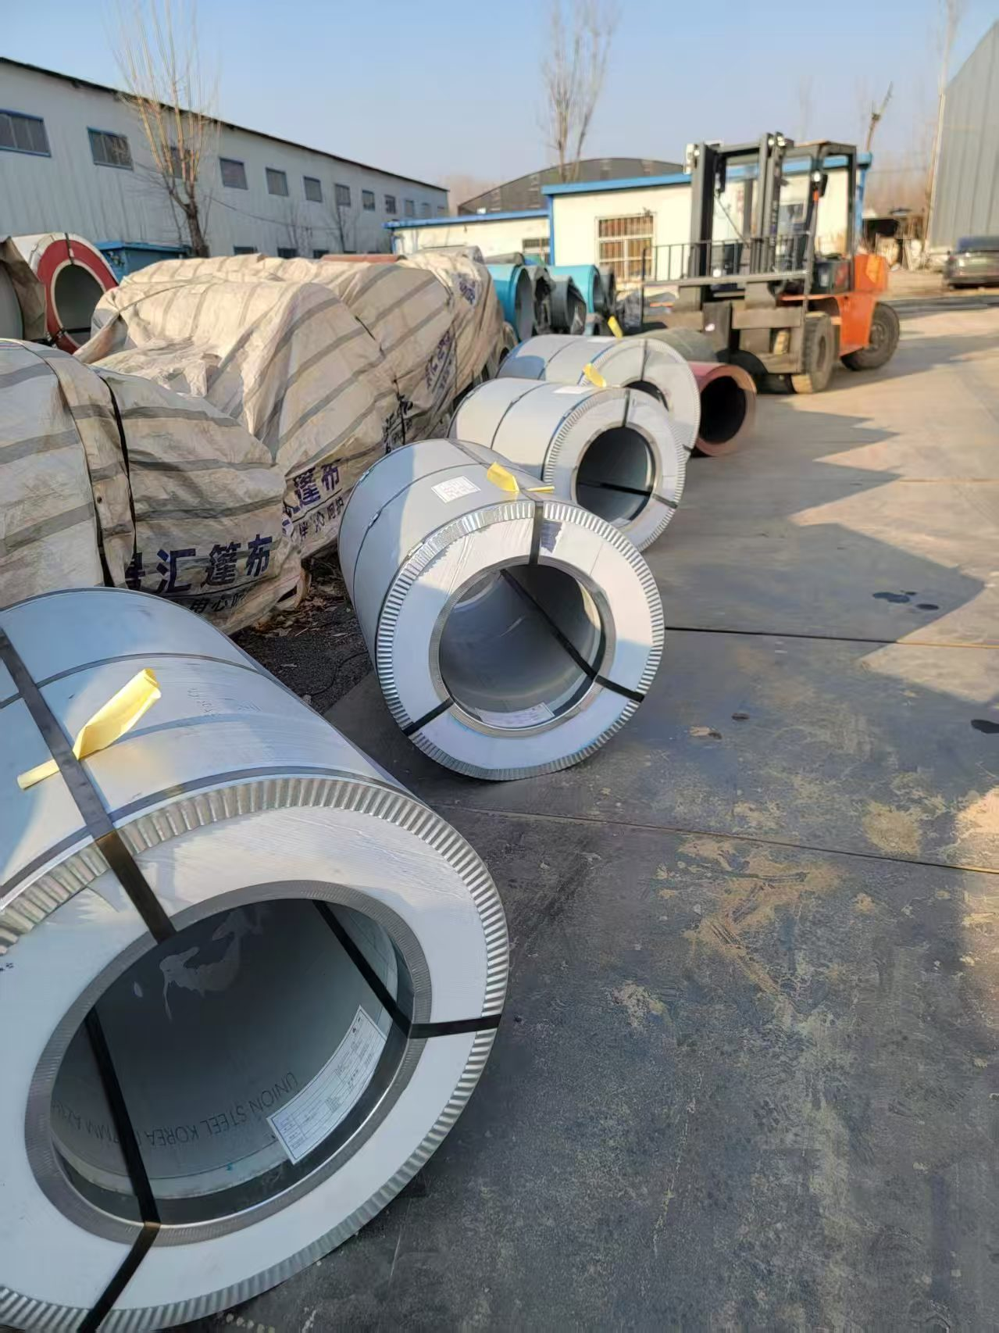
SIZE | WEIGHT | COLOR
0.3*1000 | 4156 | wrinkle brown
0.3*1000 | 4190 | wrinkle brown
0.67*1000 | 4254 | wooden
0.28*1000 | 2048 | 2D grass
0.43*1000 | 2326 | 2D white brick
0.5*1050 | 5640 | ice white
0.5*1050 | 3370 | ice white
0.5*1050 | 3444 | ice white
0.5*1000 | 4142 | golden
0.5*1000 | 4072 | golden
0.5*1000 | 3942 | golden
0.3*1040 | 2654 | ivory
0.6*1000 | 2202 | 2D grass
0.5*1000 | 4372 | 9005
0.45*1000 | 2085 | white grey
0.33*1000 | 2854 | grey
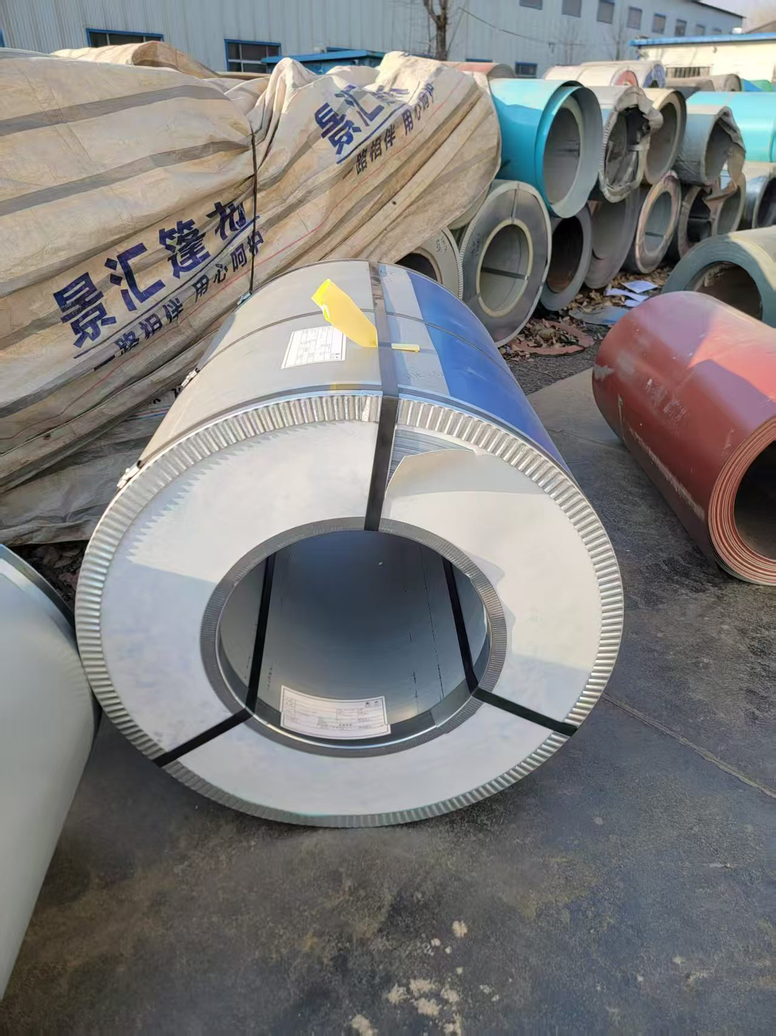
0.44*1080 | 4680 | white grey
0.49*1000 | 2045 | white grey
0.32*1040 | 2444 | ivory
0.79*1000 | 3618 | green
0.5*1100 | 4700 | white grey
0.8*1000 | 4250 | sea blue
0.8*1000 | 2250 | cream
0.32*1000 | 2190 | 9005
0.3*914 | 3782 | white
0.38*914 | 3804 | grey
0.38*914 | 3938 | grey
038*914 | 2144 | grey
0.4*1250 | 4170 | silver
0.4*1250 | 4184 | silver
0.38*1000 | 2084 | sea blue
0.38*1000 | 1572 | white grey
0.35*1000 | 1954 | red
0.38*1000 | 4220 | 6010
0.36*1000 | 4246 | milk white
1.2*1200 | 4710 | white grey
0.33*1219 | 4498 | 5002
0.4*1219 | 2232 | 3009
0.37*1219 | 4298 | 3011
0.32*1200 | 3652 | 6005
0.33*1219 | 4684 | wrinkle 3005
0.5*1219 | 2714 | wrinkle 8017
0.33*1219 | 3872 | green
0.4*1200 | 2882 | wooden
0.3*1200 | 4638 | wrinkle 5004
0.3*1200 | 4638 | 5004
0.35*1200 | 2162 | wrinkle 3005
0.45*1219 | 2358 | 3005
0.36*1070 | 2278 | white grey
0.33*1219 | 4546 | 5002
0.4*1219 | 3308 | 5002
0.43*1219 | 2346 | red
0.33*1000 | 4300 | grey
0.46*1200 | 3166 | sea blue
0.46*1100 | 3002 | sea blue
0.46*1100 | 2952 | sea blue
0.46*1100 | 4562 | sea blue
 | 195824

