工作表 1
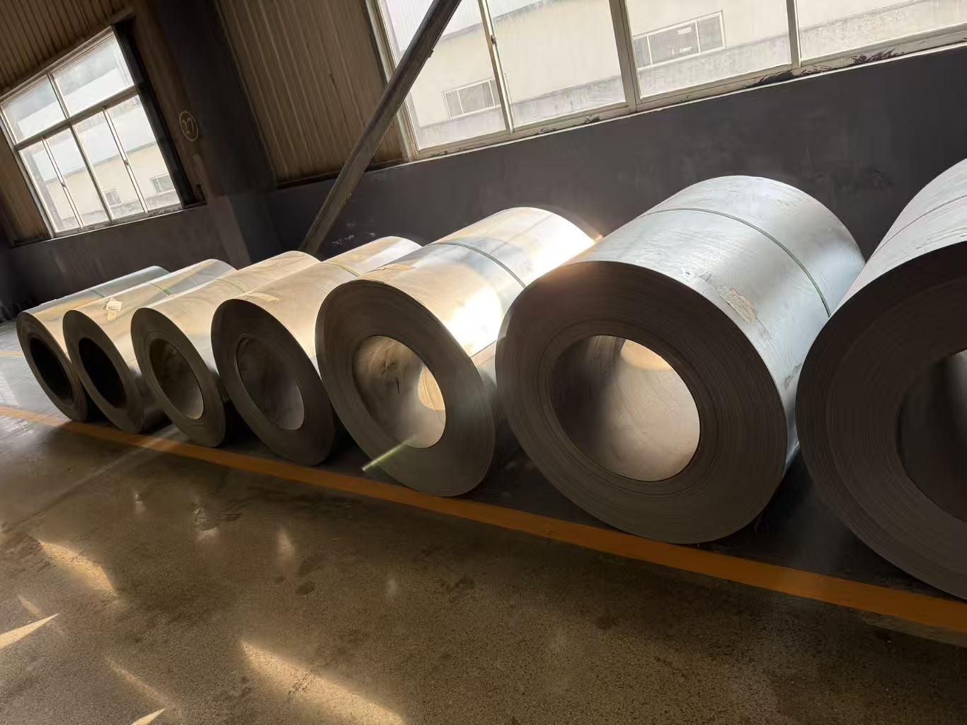
SIZE | N.W. | METERS
0.14*1060 | 2086 | 1810 | HE SHE
0.14*1060 | 2672 | 2365 | HE SHE
0.14*1060 | 2360 | 2027 | HE SHE
0.14*1060 | 3330 | 3070 | HE SHE
0.14*1 | 2254 | 2140 | HE SHE
0.15*970 | 2100 | 1863 | HE SHE
0.15*900 | 2766 | 2641 | HE SHE
0.16*1130 | 2352 | 1845 | HE SHE
0.16*1130 | 2880 | 2062 | HE SHE
0.16*1130 | 3002 | 2218 | HE SHE
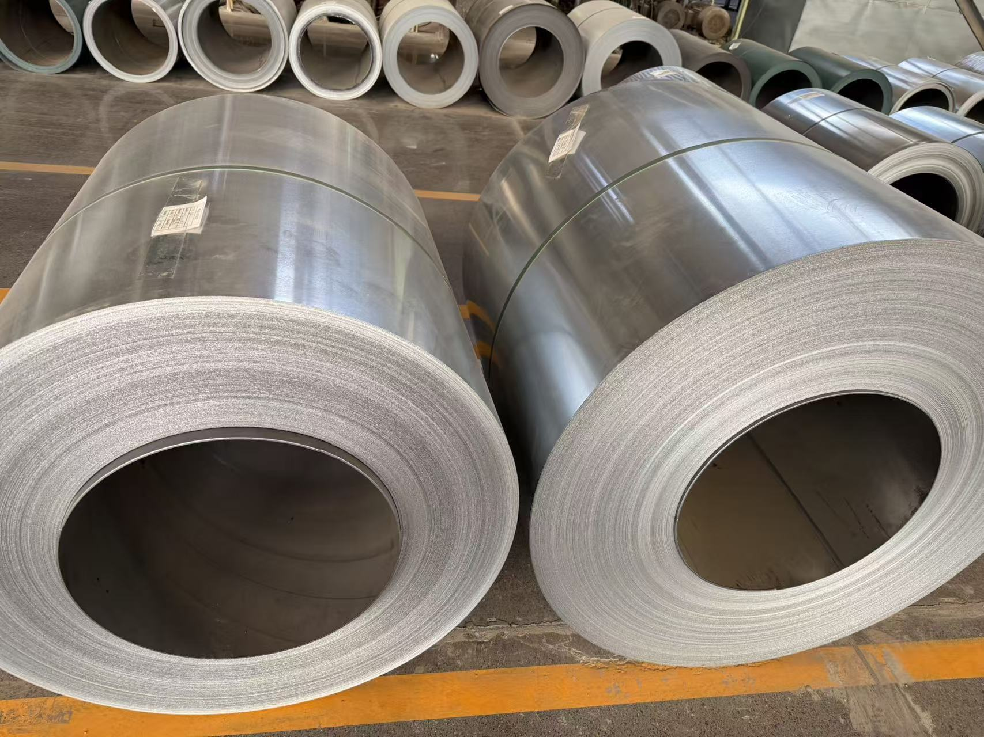
0.16*1130 | 4612 | 3392 | HE SHE
0.16*1130 | 4414 | 3226 | HE SHE
0.16*1130 | 4234 | 3082 | HE SHE
0.16*1130 | 5754 | 4150 | HE SHE
0.16*1130 | 4068 | 2902 | HE SHE
0.16*1130 | 4318 | 3110 | HE SHE
0.16*1130 | 4642 | 3350 | HE SHE
0.16*1130 | 5560 | 4008 | HE SHE
0.16*1 | 3654 | 2900 | HE SHE
0.16*1 | 3920 | 3170 | HE SHE
0.17*1 | 3030 | 2279 | HE SHE
0.17*914 | 3208 | 2630 | HE SHE
0.18*1 | 3980 | 2878 | HE SHE
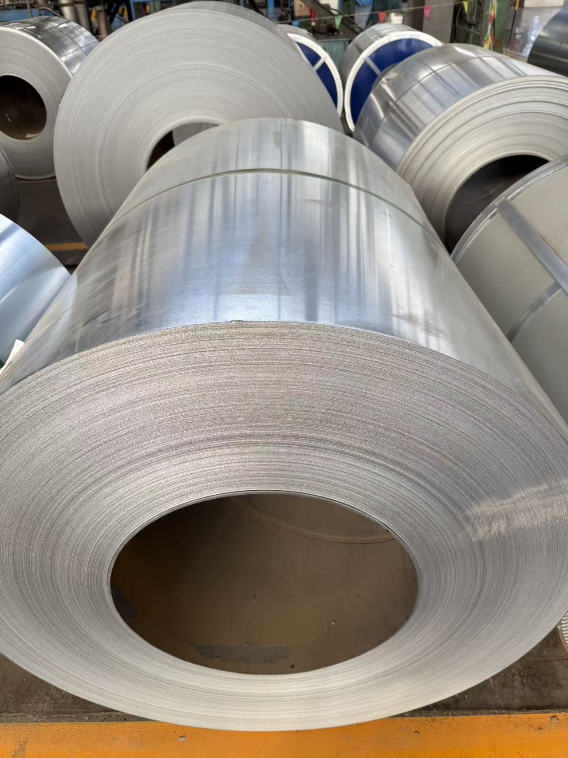
0.18*1 | 5002 | 3640 | HE SHE
0.18*1 | 3998 | 2896 | HE SHE
0.18*1 | 4350 | 3163 | HE SHE
0.18*1 | 4270 | 3100 | HE SHE
0.18*1 | 3934 | 2854 | HE SHE
0.18*1 | 3928 | 2820 | HE SHE
0.18*1 | 4558 | 3226 | HE SHE
0.19*1 | 4062 | 2737 | HE SHE
0.19*1 | 3948 | 2673 | HE SHE
0.19*1 | 3960 | 2678 | HE SHE
0.19*1 | 3946 | 2658 | HE SHE
0.19*1 | 4322 | 2935 | HE SHE
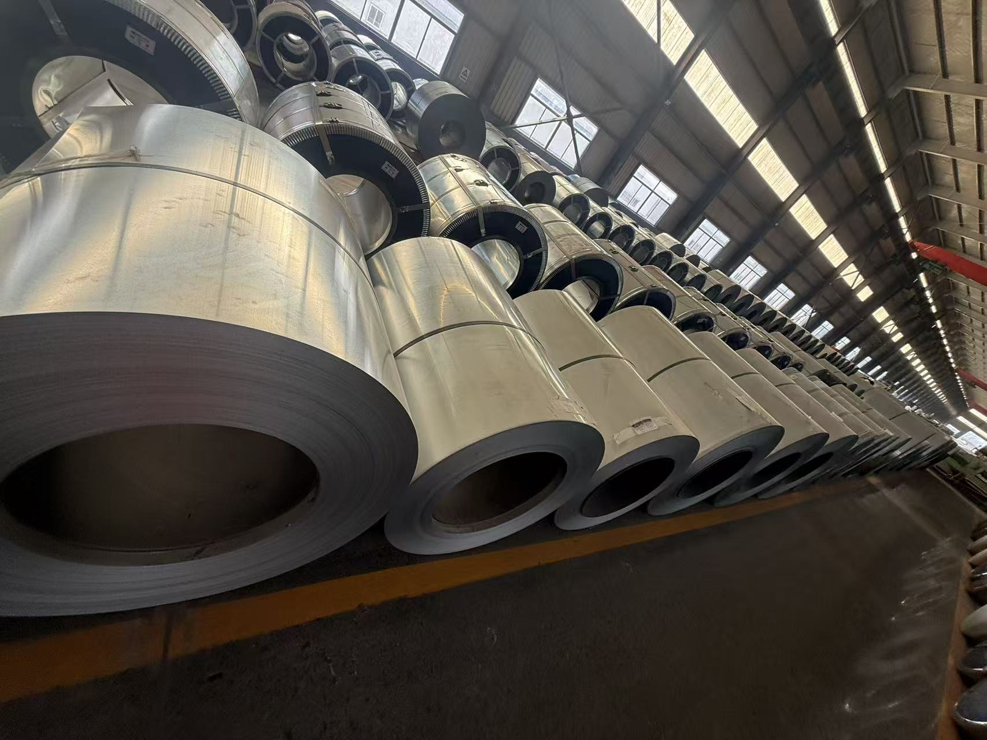
0.19*1 | 4018 | 2700 | HE SHE
0.21*1 | 3596 | 2206 | HE SHE
0.22*1 | 2808 | 1626 | HE SHE
0.23*1 | 4698 | 2641 | HE SHE
0.23*1 | 4596 | 2584 | HE SHE
0.23*1 | 3260 | 1807 | HE SHE
0.23*1 | 4058 | 2265 | HE SHE
0.23*1 | 3214 | 1818 | HE SHE
0.23*1 | 4524 | 2527 | HE SHE
0.27*1 | 3204 | 1511 | HE SHE
0.16*1 | 3730 | 2331 | FRONT GREEN AFP
0.16*1 | 3235 | 2575 | FRONT GREEN AFP
0.16*1 | 4605 | 3665 | FRONT GREEN AFP
0.16*1 | 4270 | 3347 | FRONT GREEN AFP

 | 185290

